Address and Gift Template
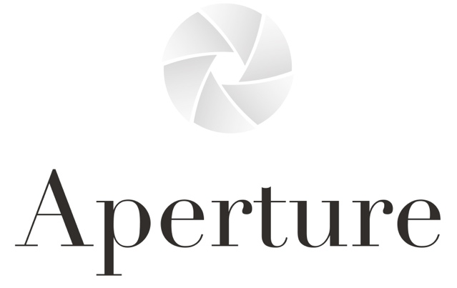

 |  | columns in red bold are required

Recipient Birth Date | Recipient First Name | Recipient Last Name | Recipient Company | Recipient Address 1 | Recipient Address 2 | Recipient City | Recipient State | Recipient Postal Code | Recipient Country | Recipient Phone | Sender's Email (tracking will be sent to this address, not the recipient) | Prefered Shipping Method | Desired Arrive By Date | Gift Message (if any) | Gift Wrap (if any) | Special Request 1 (if any) | Special Requests 2 (if any) | Product Name 1 | Product 1 Quantity | Product Name 2 | Product 2 Quantity | Product Name 3 | Product 3 Quantity | Product Name 4 | Product Quantity 4
1960-11-18 | John | Doe |  | 1234 Main Street | Suite 100 | Wine City | CA | 95448 | USA | (707)200-7891 | members@aperture-cellars.com | UPS Ground | this isn't always possible, but if you'd prefer that your order arrive by a certain date or window of time, please specify here so we can do our best to accommodate. | Happy Holidays! Please enjoy this special wine with your loved ones this season. - The Aperture Team | 1 Bottle Gift Box - $10 | ex: please include special insert shipped to the winery |  | Aperture Single Vineyard Cabernet Sauvignon Gift Box - $500 | 1

 |  |  |  |  |  |  |  |  |  |  |  |  |  |  |  |  |  |  |  |  |  |  |  |  |  | Custom gift message in Aperture photography-focused greeting card - $3.00 | UPS Ground
 |  |  |  |  |  |  |  |  |  |  |  |  |  |  |  |  |  |  |  |  |  |  |  |  |  | 1 Bottle Gift Box - $10 | Temperature Controlled Shipping (could take up to 2 weeks to arrive but is the safest method to cold locations)
 |  |  |  |  |  |  |  |  |  |  |  |  |  |  |  |  |  |  |  |  |  |  |  |  |  | 2 Bottle Gift Box - $15 | UPS 2-Day Air
 |  |  |  |  |  |  |  |  |  |  |  |  |  |  |  |  |  |  |  |  |  |  |  |  |  | 3 Bottle Gift Box - $20 | UPS Next Day Air

